Order Form
TFC Online Order Form
Please fill out the highlighted cells.

P.O. Date:
Company Name: |  |  | H & W Company Limited
Requestor's Name: |  |  | JEZREEL LLANERA
Contact Details: |  |  | 33/30 Moo ban Namchok, Bangduan,
 |  |  | Prassicharoen, Phetkasem, Bangkok 10160
 |  |  | M. +6699 4932211 E. jezreel.llanera@gmail.com

Order Details:
 |  |  | TFC Subscription Plan |  | Unit Cost | Qty for PO | Total Cost | HKD 60.00
 |  |  | 1-Month Premium |  | 7.99 | 0 | 0.00 | SGD 10.00
 |  |  | Note: Choose correct Unit Cost in dropdown |  |  |  |  | MYR 30.00
 |  |  |  |  |  |  |  | USD 7.99
 | PIN Type:
 | If Physical:
 |  | Mailing Address:
 |  | (Include ZIP Code) |  | 33/30 Moo ban Namchok, Bangduan,
 |  |  |  | Prassicharoen, Phetkasem, Bangkok 10160
 |  | Contact Person: |  | JEZREEL LLANERA
 |  | Contact Number: |  | M. +6699 4932211 E. jezreel.llanera@gmail.com
 |  | If Electronic:
 |  | Email Address:

Order and Payment Processes and Policies:

 | 1. Dealers shall send their Purchase Order (PO) via email to Mike_Tolentino@abs-cbn.com, copy Jemma_Calabio@abs-cbn.com and Michelle_Shimodaira@abs-cbn.com. Electronic PINs will be emailed to dealers along with the Delivery Receipt. Physical PINs will be sent according to the shipping schedule per country.

 | 2. Dealers shall settle their account balances within the agreed payment terms from Invoice date through the allowed payment methods below:

 |  | a. Bank transfer/ Remit to:
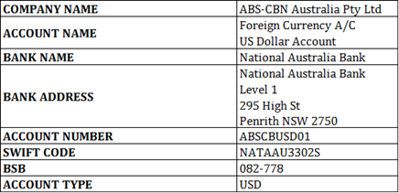

 | 3. Any amount owing by the dealer that is not paid within five (5) business days from its due date is subject to a 2% fine and a penalty interest at a rate of 1% per month on the amount in arrears, accrued on a daily basis.

